Instructions
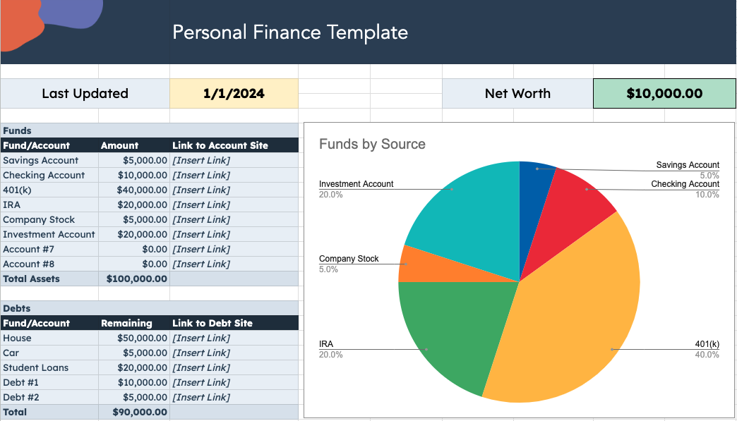
 | Jump to a Template

 | Personal Finance Template Financial Projection Template P&L Statement Template Cash Flow Statement Balance Sheet Template
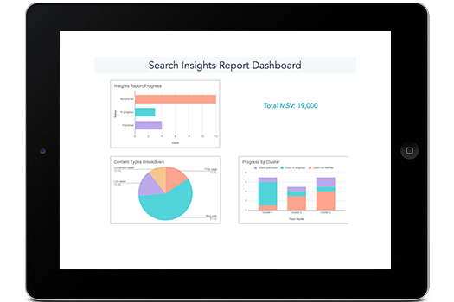
5 Financial Planning Templates

Personal Finance Template
 |  | Personal Finance Template

Last Updated |  | 1/1/2024 | Net Worth | $10,000.00

Funds by Source
Funds
Fund/Account | Amount | Link to Account Site
Savings Account | $5,000.00 | [Insert Link]
Checking Account | $10,000.00 | [Insert Link]
401(k) | $40,000.00 | [Insert Link]
IRA | $20,000.00 | [Insert Link]
Company Stock | $5,000.00 | [Insert Link]
Investment Account | $20,000.00 | [Insert Link]
Account #7 | $0.00 | [Insert Link]
Account #8 | $0.00 | [Insert Link]
Total Assets | $100,000.00

Debts
Fund/Account | Remaining | Link to Debt Site
House | $50,000.00 | [Insert Link]
Car | $5,000.00 | [Insert Link]
Student Loans | $20,000.00 | [Insert Link]
Debt #1 | $10,000.00 | [Insert Link]
Debt #2 | $5,000.00 | [Insert Link]
Total | $90,000.00

